Context and Graphs
Array Size (n x n) | Naive Time | Naive Time Numba | ikj Time Numba | CUDA Time naive | CUDA Time Global Memory Coalescing | CUDA Time Shared Memory Caching | CUDA Time Vectorized | CUDA Naïve vs Naïve | CUDA Vec vs Naïve
32 | 0.18351006508 | 0.36701965332 | 0.13962650299 | 0.27828621864 | 0.10379195213 | 0.16854977608 | 0.0079782009125 | 0.65942922353 | 23.00143442
64 | 1.2719063759 | 0.36806845665 | 0.13854622841 | 0.27078390121 | 0.097769021988 | 0.16512465477 | 0.0069811344147 | 4.6971270086 | 182.19193334
128 | 10.348968029 | 0.39191865921 | 0.16159248352 | 0.28726029396 | 0.099733114243 | 0.16655516624 | 0.0079784393311 | 36.026447952 | 1297.116842
256 | 81.884746313 | 0.53260755539 | 0.159542799 | 0.28025054932 | 0.10571742058 | 0.18051719666 | 0.015957593918 | 292.18407069 | 5131.3967967
512 | 658.41065311 | 2.4474935532 | 0.35804367065 | 0.32585549355 | 0.14461445808 | 0.21143388748 | 0.049868106842 | 2020.5602365 | 13203.040877
1024 | 5501.4953539 | 16.373206139 | 1.7643122673 | 1.1196267605 | 0.3161547184 | 0.3909842968 | 0.20322537422 | 4913.6869072 | 27070.90773
4096 | 79,200 | 4724.1884799 | 163.39830279 | 11.218804121 | 10.509264708 | 11.343930483 | 10.46019578 | 7059.5759713 | 7571.560004
 | note 4096 is estimated… group policy restart after ~22 hours so it's already pretty egregious.
 | Naive Time | Naive Time Numba | ikj Time Numba | CUDA Time naive
32 | 0.18351006508 | 0.36701965332 | 0.13962650299 | 0.27828621864
64 | 1.2719063759 | 0.36806845665 | 0.13854622841 | 0.27078390121
128 | 10.348968029 | 0.39191865921 | 0.16159248352 | 0.28726029396
256 | 81.884746313 | 0.53260755539 | 0.159542799 | 0.28025054932
512 | 658.41065311 | 2.4474935532 | 0.35804367065 | 0.32585549355
1024 | 5501.4953539 | 16.373206139 | 1.7643122673 | 1.1196267605
4096 | 79200 | 4724.1884799 | 163.39830279 | 11.218804121
 | CUDA Time naive | CUDA Time Global Memory Coalescing | CUDA Time Shared Memory Caching | CUDA Time Vectorized
32 | 0.27828621864 | 0.10379195213 | 0.16854977608 | 0.0079782009125
64 | 0.27078390121 | 0.097769021988 | 0.16512465477 | 0.0069811344147
128 | 0.28726029396 | 0.099733114243 | 0.16655516624 | 0.0079784393311
256 | 0.28025054932 | 0.10571742058 | 0.18051719666 | 0.015957593918
512 | 0.32585549355 | 0.14461445808 | 0.21143388748 | 0.049868106842
1024 | 1.1196267605 | 0.3161547184 | 0.3909842968 | 0.20322537422
4096 | 11.218804121 | 10.509264708 | 11.343930483 | 10.46019578

Trial 24 profiling
==8220== Profiling application: python Gemm_CUDA.py 4096 4096 4096
==8220== Warning: 5 API trace records have same start and end timestamps.
This can happen because of short execution duration of CUDA APIs and low timer resolution on the underlying operating system.
==8220== Profiling result:
Type Time(%) Time Calls Avg Min Max Name
GPU activities: 99.49% 135.609s 10 13.5609s 13.5393s 13.5689s _ZN6cudapy11CUDAKernels20cuda_gemm_smc_kernelB2v1B94cw51cXTLSUwv1sCUt9Uw01Ew1NRRQPKzLTg4gaGKFsG2oMQGEYakJSQB1PQBk0Bynm21OiwU1a0UoLGhDpQE8oxrNQE_3dE5ArrayIfLi2E1C7mutable7alignedE5ArrayIfLi2E1C7mutable7alignedE5ArrayIfLi2E1C7mutable7alignedE
0.39% 538.14ms 20 26.907ms 12.089ms 296.50ms [CUDA memcpy HtoD]
0.11% 153.80ms 10 15.380ms 14.014ms 17.483ms [CUDA memcpy DtoH]
API calls: 99.73% 135.786s 10 13.5786s 13.5538s 13.5868s cuMemcpyDtoH
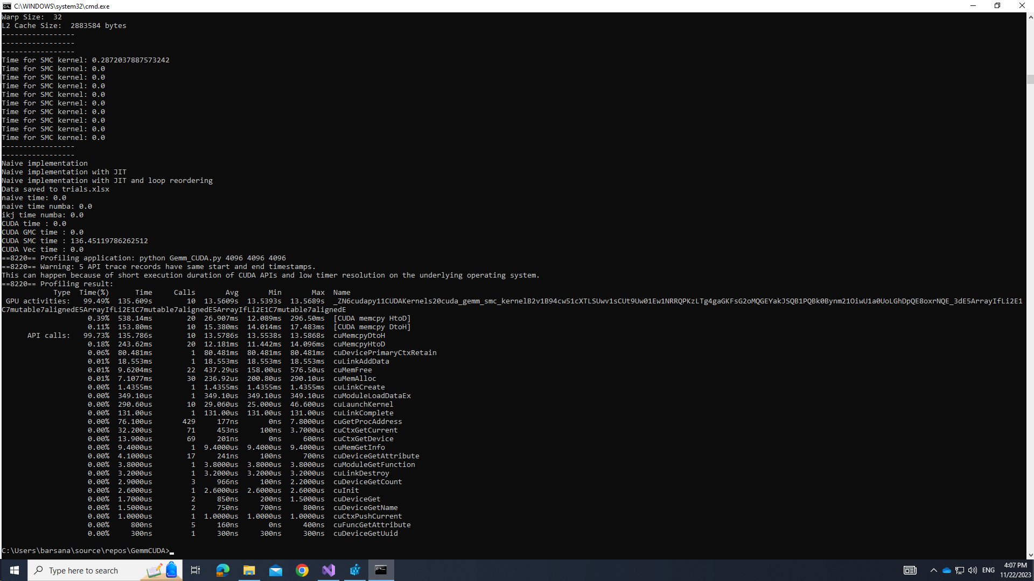
0.18% 243.62ms 20 12.181ms 11.442ms 14.096ms cuMemcpyHtoD
0.06% 80.481ms 1 80.481ms 80.481ms 80.481ms cuDevicePrimaryCtxRetain
0.01% 18.553ms 1 18.553ms 18.553ms 18.553ms cuLinkAddData
0.01% 9.6204ms 22 437.29us 158.00us 576.50us cuMemFree
0.01% 7.1077ms 30 236.92us 200.80us 290.10us cuMemAlloc
0.00% 1.4355ms 1 1.4355ms 1.4355ms 1.4355ms cuLinkCreate
0.00% 349.10us 1 349.10us 349.10us 349.10us cuModuleLoadDataEx
0.00% 290.60us 10 29.060us 25.000us 46.600us cuLaunchKernel
0.00% 131.00us 1 131.00us 131.00us 131.00us cuLinkComplete
0.00% 76.100us 429 177ns 0ns 7.8000us cuGetProcAddress
0.00% 32.200us 71 453ns 100ns 3.7000us cuCtxGetCurrent
0.00% 13.900us 69 201ns 0ns 600ns cuCtxGetDevice
0.00% 9.4000us 1 9.4000us 9.4000us 9.4000us cuMemGetInfo
0.00% 4.1000us 17 241ns 100ns 700ns cuDeviceGetAttribute
0.00% 3.8000us 1 3.8000us 3.8000us 3.8000us cuModuleGetFunction
0.00% 3.2000us 1 3.2000us 3.2000us 3.2000us cuLinkDestroy
0.00% 2.9000us 3 966ns 100ns 2.2000us cuDeviceGetCount
0.00% 2.6000us 1 2.6000us 2.6000us 2.6000us cuInit
0.00% 1.7000us 2 850ns 200ns 1.5000us cuDeviceGet
0.00% 1.5000us 2 750ns 700ns 800ns cuDeviceGetName
0.00% 1.0000us 1 1.0000us 1.0000us 1.0000us cuCtxPushCurrent
0.00% 800ns 5 160ns 0ns 400ns cuFuncGetAttribute
0.00% 300ns 1 300ns 300ns 300ns cuDeviceGetUuid

Trial 25 profiling
==10308== Profiling application: python Gemm_CUDA.py 4096 4096 4096
==10308== Warning: 3 API trace records have same start and end timestamps.
This can happen because of short execution duration of CUDA APIs and low timer resolution on the underlying operating system.
==10308== Profiling result:
Type Time(%) Time Calls Avg Min Max Name
GPU activities: 85.19% 3.98868s 10 398.87ms 390.24ms 463.07ms _ZN6cudapy11CUDAKernels20cuda_gemm_smc_kernelB2v1B94cw51cXTLSUwv1sCUt9Uw01Ew1NRRQPKzLTg4gaGKFsG2oMQGEYakJSQB1PQBk0Bynm21OiwU1a0UoLGhDpQE8oxrNQE_3dE5ArrayIfLi2E1C7mutable7alignedE5ArrayIfLi2E1C7mutable7alignedE5ArrayIfLi2E1C7mutable7alignedE
11.61% 543.64ms 20 27.182ms 11.837ms 303.12ms [CUDA memcpy HtoD]
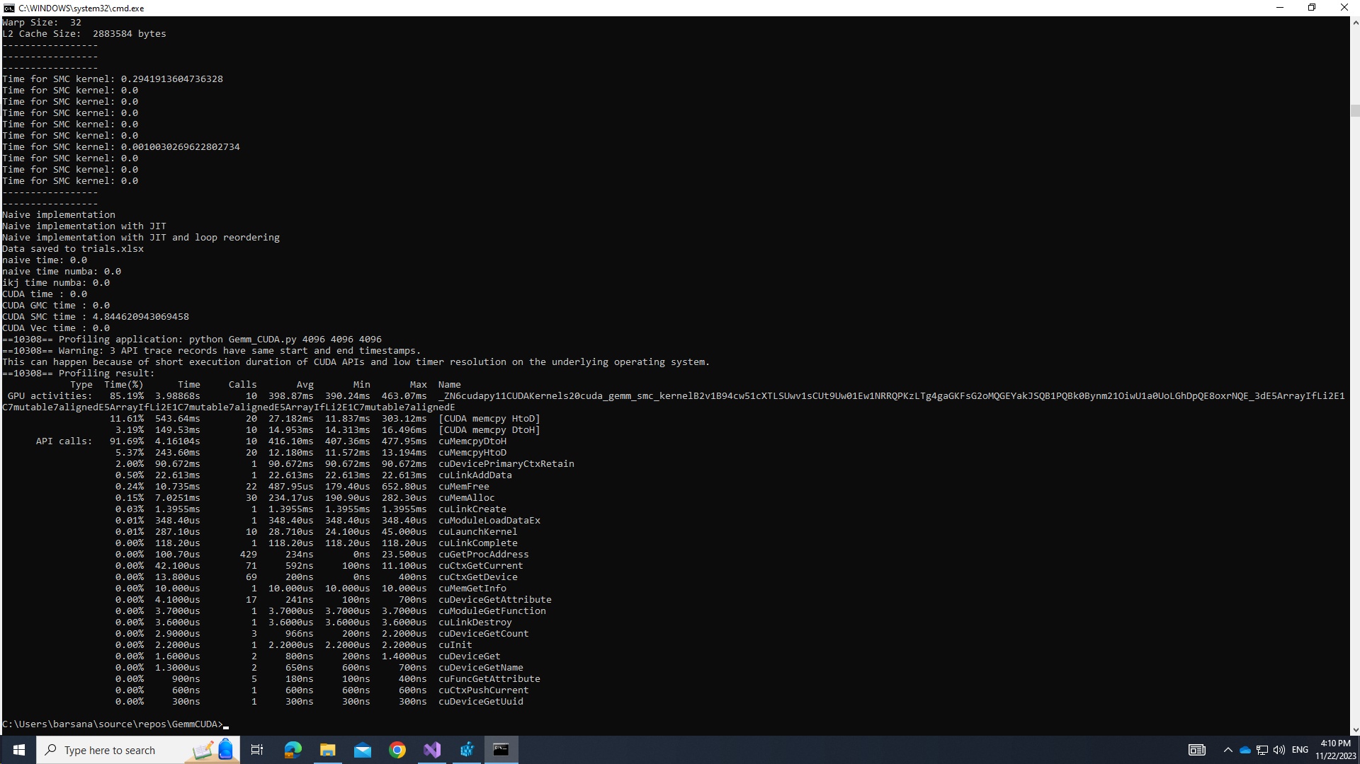
3.19% 149.53ms 10 14.953ms 14.313ms 16.496ms [CUDA memcpy DtoH]
API calls: 91.69% 4.16104s 10 416.10ms 407.36ms 477.95ms cuMemcpyDtoH
5.37% 243.60ms 20 12.180ms 11.572ms 13.194ms cuMemcpyHtoD
2.00% 90.672ms 1 90.672ms 90.672ms 90.672ms cuDevicePrimaryCtxRetain
0.50% 22.613ms 1 22.613ms 22.613ms 22.613ms cuLinkAddData
0.24% 10.735ms 22 487.95us 179.40us 652.80us cuMemFree
0.15% 7.0251ms 30 234.17us 190.90us 282.30us cuMemAlloc
0.03% 1.3955ms 1 1.3955ms 1.3955ms 1.3955ms cuLinkCreate
0.01% 348.40us 1 348.40us 348.40us 348.40us cuModuleLoadDataEx
0.01% 287.10us 10 28.710us 24.100us 45.000us cuLaunchKernel
0.00% 118.20us 1 118.20us 118.20us 118.20us cuLinkComplete
0.00% 100.70us 429 234ns 0ns 23.500us cuGetProcAddress
0.00% 42.100us 71 592ns 100ns 11.100us cuCtxGetCurrent
0.00% 13.800us 69 200ns 0ns 400ns cuCtxGetDevice
0.00% 10.000us 1 10.000us 10.000us 10.000us cuMemGetInfo
0.00% 4.1000us 17 241ns 100ns 700ns cuDeviceGetAttribute
0.00% 3.7000us 1 3.7000us 3.7000us 3.7000us cuModuleGetFunction
0.00% 3.6000us 1 3.6000us 3.6000us 3.6000us cuLinkDestroy
0.00% 2.9000us 3 966ns 200ns 2.2000us cuDeviceGetCount
0.00% 2.2000us 1 2.2000us 2.2000us 2.2000us cuInit
0.00% 1.6000us 2 800ns 200ns 1.4000us cuDeviceGet
0.00% 1.3000us 2 650ns 600ns 700ns cuDeviceGetName
0.00% 900ns 5 180ns 100ns 400ns cuFuncGetAttribute
0.00% 600ns 1 600ns 600ns 600ns cuCtxPushCurrent
0.00% 300ns 1 300ns 300ns 300ns cuDeviceGetUuid

Trial 26 profiling
==3620== Profiling application: python Gemm_CUDA.py 4096 4096 4096
==3620== Warning: 8 API trace records have same start and end timestamps.
This can happen because of short execution duration of CUDA APIs and low timer resolution on the underlying operating system.
==3620== Profiling result:
Type Time(%) Time Calls Avg Min Max Name
GPU activities: 98.34% 40.7658s 10 4.07658s 4.06905s 4.12712s _ZN6cudapy11CUDAKernels20cuda_gemm_smc_kernelB2v1B94cw51cXTLSUwv1sCUt9Uw01Ew1NRRQPKzLTg4gaGKFsG2oMQGEYakJSQB1PQBk0Bynm21OiwU1a0UoLGhDpQE8oxrNQE_3dE5ArrayIfLi2E1C7mutable7alignedE5ArrayIfLi2E1C7mutable7alignedE5ArrayIfLi2E1C7mutable7alignedE
1.29% 534.49ms 20 26.725ms 11.993ms 292.09ms [CUDA memcpy HtoD]

0.37% 152.73ms 10 15.273ms 14.607ms 16.276ms [CUDA memcpy DtoH]
API calls: 99.15% 40.9404s 10 4.09404s 4.08660s 4.14326s cuMemcpyDtoH
0.59% 245.48ms 20 12.274ms 11.413ms 15.285ms cuMemcpyHtoD
0.19% 78.109ms 1 78.109ms 78.109ms 78.109ms cuDevicePrimaryCtxRetain
0.02% 9.4683ms 1 9.4683ms 9.4683ms 9.4683ms cuLinkAddData
0.02% 8.8710ms 22 403.23us 72.400us 570.10us cuMemFree
0.02% 8.6895ms 30 289.65us 209.60us 1.5411ms cuMemAlloc
0.00% 1.3973ms 1 1.3973ms 1.3973ms 1.3973ms cuLinkCreate
0.00% 350.20us 1 350.20us 350.20us 350.20us cuModuleLoadDataEx
0.00% 286.00us 10 28.600us 24.400us 43.300us cuLaunchKernel
0.00% 137.80us 1 137.80us 137.80us 137.80us cuLinkComplete
0.00% 81.300us 429 189ns 0ns 8.3000us cuGetProcAddress
0.00% 34.500us 71 485ns 0ns 3.1000us cuCtxGetCurrent
0.00% 13.000us 69 188ns 0ns 400ns cuCtxGetDevice
0.00% 12.800us 1 12.800us 12.800us 12.800us cuMemGetInfo
0.00% 3.7000us 17 217ns 0ns 800ns cuDeviceGetAttribute
0.00% 3.6000us 1 3.6000us 3.6000us 3.6000us cuModuleGetFunction
0.00% 3.3000us 1 3.3000us 3.3000us 3.3000us cuLinkDestroy
0.00% 3.0000us 3 1.0000us 100ns 2.5000us cuDeviceGetCount
0.00% 2.4000us 1 2.4000us 2.4000us 2.4000us cuInit
0.00% 1.8000us 2 900ns 700ns 1.1000us cuDeviceGetName
0.00% 1.2000us 2 600ns 100ns 1.1000us cuDeviceGet
0.00% 1.2000us 1 1.2000us 1.2000us 1.2000us cuCtxPushCurrent
0.00% 1.0000us 5 200ns 100ns 400ns cuFuncGetAttribute
0.00% 200ns 1 200ns 200ns 200ns cuDeviceGetUuid

Trial 27 profiling
==7236== Profiling application: python Gemm_CUDA.py 4096 4096 4096
==7236== Warning: 4 API trace records have same start and end timestamps.
This can happen because of short execution duration of CUDA APIs and low timer resolution on the underlying operating system.
==7236== Profiling result:
Type Time(%) Time Calls Avg Min Max Name
GPU activities: 91.76% 6.90146s 10 690.15ms 682.50ms 736.31ms _ZN6cudapy11CUDAKernels16cuda_gemm_kernelB2v1B94cw51cXTLSUwv1sCUt9Uw01Ew1NRRQPKzLTg4gaGKFsG2oMQGEYakJSQB1PQBk0Bynm21OiwU1a0UoLGhDpQE8oxrNQE_3dE5ArrayIfLi2E1C7mutable7alignedE5ArrayIfLi2E1C7mutable7alignedE5ArrayIfLi2E1C7mutable7alignedE

6.17% 464.22ms 20 23.211ms 11.909ms 196.77ms [CUDA memcpy HtoD]
2.07% 155.33ms 10 15.533ms 14.318ms 17.855ms [CUDA memcpy DtoH]
API calls: 94.87% 7.08079s 10 708.08ms 701.97ms 752.19ms cuMemcpyDtoH
3.35% 249.97ms 20 12.498ms 11.697ms 14.057ms cuMemcpyHtoD
1.22% 91.005ms 1 91.005ms 91.005ms 91.005ms cuDevicePrimaryCtxRetain
0.40% 29.503ms 30 983.43us 190.60us 14.430ms cuMemAlloc
0.14% 10.781ms 22 490.06us 192.00us 636.40us cuMemFree
0.01% 818.50us 1 818.50us 818.50us 818.50us cuLinkCreate
0.00% 337.20us 1 337.20us 337.20us 337.20us cuModuleLoadDataEx
0.00% 290.50us 10 29.050us 23.900us 43.000us cuLaunchKernel
0.00% 275.20us 1 275.20us 275.20us 275.20us cuLinkAddData
0.00% 120.60us 1 120.60us 120.60us 120.60us cuLinkComplete
0.00% 75.900us 429 176ns 0ns 7.9000us cuGetProcAddress
0.00% 35.800us 71 504ns 100ns 3.2000us cuCtxGetCurrent
0.00% 15.200us 69 220ns 100ns 500ns cuCtxGetDevice
0.00% 9.8000us 1 9.8000us 9.8000us 9.8000us cuMemGetInfo
0.00% 4.1000us 17 241ns 100ns 600ns cuDeviceGetAttribute
0.00% 4.0000us 3 1.3330us 100ns 3.5000us cuDeviceGetCount
0.00% 4.0000us 1 4.0000us 4.0000us 4.0000us cuModuleGetFunction
0.00% 3.9000us 1 3.9000us 3.9000us 3.9000us cuLinkDestroy
0.00% 2.0000us 1 2.0000us 2.0000us 2.0000us cuInit
0.00% 1.1000us 2 550ns 100ns 1.0000us cuDeviceGet
0.00% 1.1000us 2 550ns 400ns 700ns cuDeviceGetName
0.00% 1.1000us 5 220ns 100ns 500ns cuFuncGetAttribute
0.00% 800ns 1 800ns 800ns 800ns cuCtxPushCurrent
0.00% 200ns 1 200ns 200ns 200ns cuDeviceGetUuid

Trial 28 profiling
==16008== Profiling application: python Gemm_CUDA.py 4096 4096 4096
==16008== Warning: 3 API trace records have same start and end timestamps.
This can happen because of short execution duration of CUDA APIs and low timer resolution on the underlying operating system.
==16008== Profiling result:
Type Time(%) Time Calls Avg Min Max Name
GPU activities: 97.20% 20.3375s 10 2.03375s 1.99970s 2.06467s _ZN6cudapy11CUDAKernels16cuda_gemm_kernelB2v1B94cw51cXTLSUwv1sCUt9Uw01Ew1NRRQPKzLTg4gaGKFsG2oMQGEYakJSQB1PQBk0Bynm21OiwU1a0UoLGhDpQE8oxrNQE_3dE5ArrayIfLi2E1C7mutable7alignedE5ArrayIfLi2E1C7mutable7alignedE5ArrayIfLi2E1C7mutable7alignedE
2.09% 437.18ms 20 21.859ms 11.907ms 198.99ms [CUDA memcpy HtoD]

0.71% 149.29ms 10 14.929ms 13.483ms 16.338ms [CUDA memcpy DtoH]
API calls: 98.21% 20.5088s 10 2.05088s 2.01831s 2.07987s cuMemcpyDtoH
1.16% 241.58ms 20 12.079ms 11.455ms 12.566ms cuMemcpyHtoD
0.54% 112.51ms 1 112.51ms 112.51ms 112.51ms cuDevicePrimaryCtxRetain
0.05% 9.7468ms 22 443.04us 163.60us 658.10us cuMemFree
0.03% 7.0220ms 30 234.07us 154.30us 322.40us cuMemAlloc
0.00% 918.80us 1 918.80us 918.80us 918.80us cuLinkCreate
0.00% 347.60us 1 347.60us 347.60us 347.60us cuModuleLoadDataEx
0.00% 318.40us 1 318.40us 318.40us 318.40us cuLinkAddData
0.00% 273.40us 10 27.340us 24.400us 42.000us cuLaunchKernel
0.00% 125.10us 1 125.10us 125.10us 125.10us cuLinkComplete
0.00% 77.900us 429 181ns 100ns 8.4000us cuGetProcAddress
0.00% 41.300us 71 581ns 100ns 8.9000us cuCtxGetCurrent
0.00% 12.600us 69 182ns 0ns 300ns cuCtxGetDevice
0.00% 9.6000us 1 9.6000us 9.6000us 9.6000us cuMemGetInfo
0.00% 3.9000us 17 229ns 100ns 800ns cuDeviceGetAttribute
0.00% 3.6000us 1 3.6000us 3.6000us 3.6000us cuModuleGetFunction
0.00% 3.2000us 1 3.2000us 3.2000us 3.2000us cuLinkDestroy
0.00% 3.0000us 3 1.0000us 200ns 2.4000us cuDeviceGetCount
0.00% 2.3000us 1 2.3000us 2.3000us 2.3000us cuInit
0.00% 1.4000us 2 700ns 200ns 1.2000us cuDeviceGet
0.00% 1.4000us 2 700ns 600ns 800ns cuDeviceGetName
0.00% 800ns 1 800ns 800ns 800ns cuCtxPushCurrent
0.00% 800ns 5 160ns 0ns 400ns cuFuncGetAttribute
0.00% 200ns 1 200ns 200ns 200ns cuDeviceGetUuid

